Sheet1
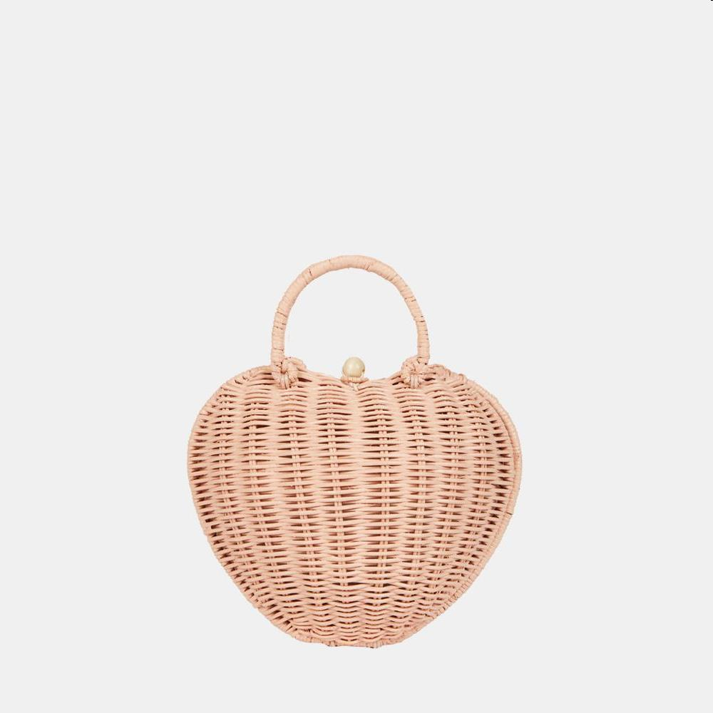
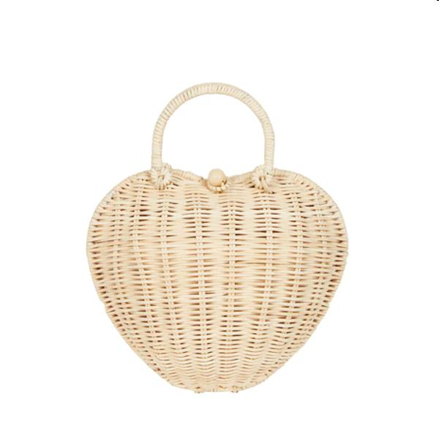
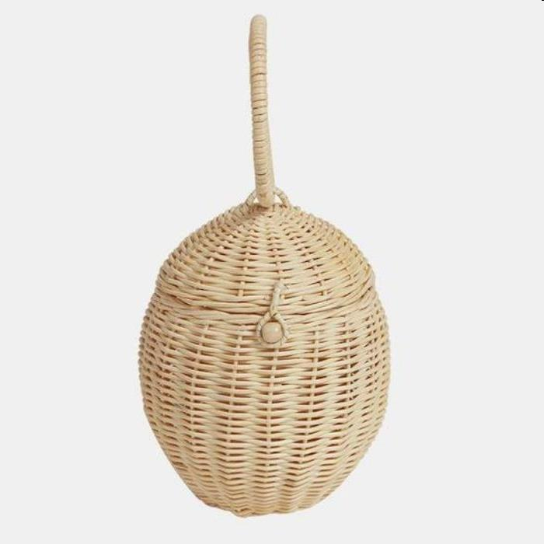
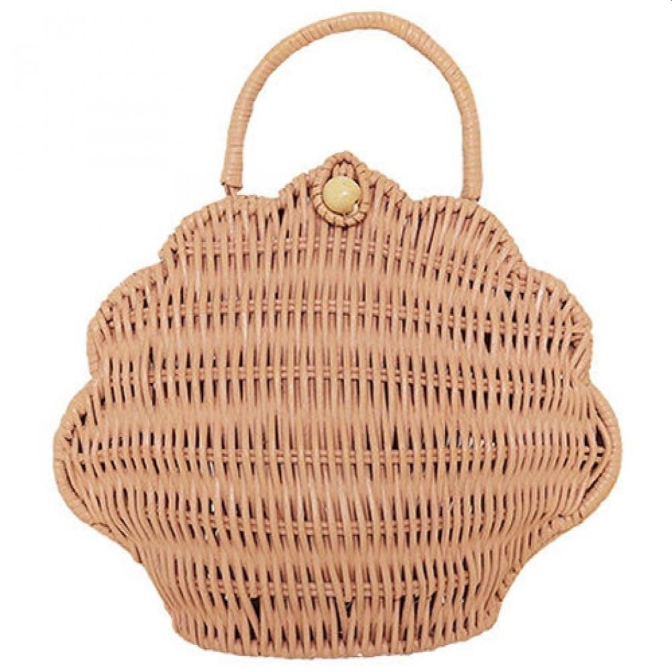
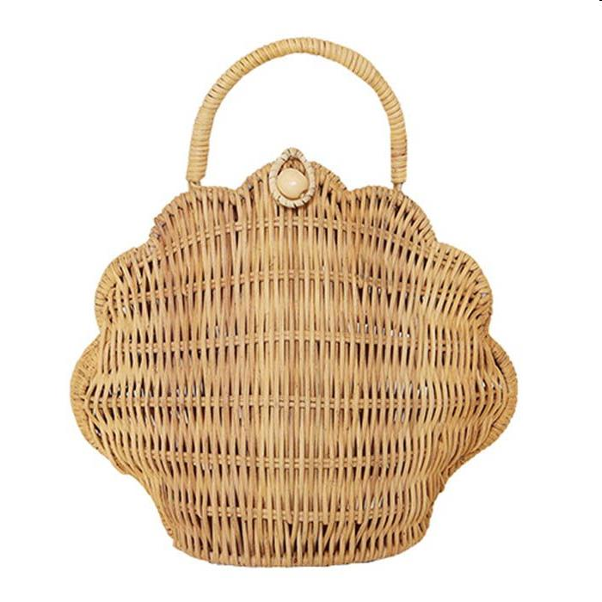
Picture | Item code | Description | Extra information | Restriction | Stock | Sales price EXW | Retail price | Barcode | Quantity PU | Quantity pallet | Pallet | Origin | Customs code | Item weight | Languages on package | Group
 | 21107 | Olli Ella Kids Ratan, Rattan Heart Bag Pink 22x16x22cm | OEKTOY-HRT-PNK-O |  | 1380 | 7.9 | 64.95 | 9353515011988 | 6 | 168 | Europallet 120x80 | RC | 4601211000 | 300 | en | Olli Ella Kids Ratan
 | 21108 | Olli Ella Kids Ratan, Rattan Heart Bag Straw 22x16x22cm | OEKTOY-HRT-STR-O |  | 1329 | 7.9 | 64.95 | 9353515011971 | 6 | 168 | Europallet 120x80 | RC | 4601211000 | 200 | en | Olli Ella Kids Ratan
 | 21106 | Olli Ella Kids Ratan, Egg Basket 22x15cm | OEKBAS-EGB-VA-O |  | 955 | 7.9 | 39.95 | 9353515008087 | 8 | 64 | Wegwerppallet 120x80 | RC | 4601211005 | 320 | en | Olli Ella Kids Ratan
 | 21104 | Olli Ella Kids Ratan, Shell Purse Rose 22x10x24cm | OEKBAG-SHL-RO-O |  | 266 | 7.9 | 59.95 | 9353515004522 | 16 | 96 | Wegwerppallet 120x80 | RC | 4601211000 | 200 | en | Olli Ella Kids Ratan
 | 21105 | Olli Ella Kids Ratan, Shell Purse Straw 22x10x24cm | OEKBAG-SHL-ST-O |  | 204 | 7.9 | 59.95 | 9353515004515 | 16 | 128 | Europallet 120x80 | RC | 4601211000 | 300 | en | Olli Ella Kids Ratan

